BOM Overview
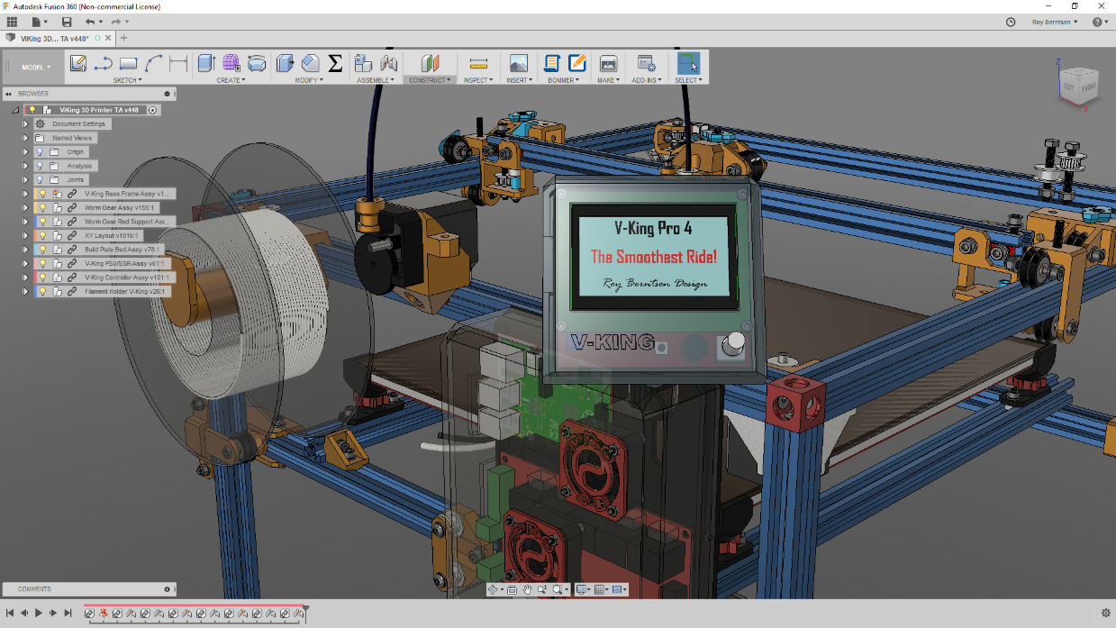
V-King Build Price Estimate
340x380x320 Build Volume

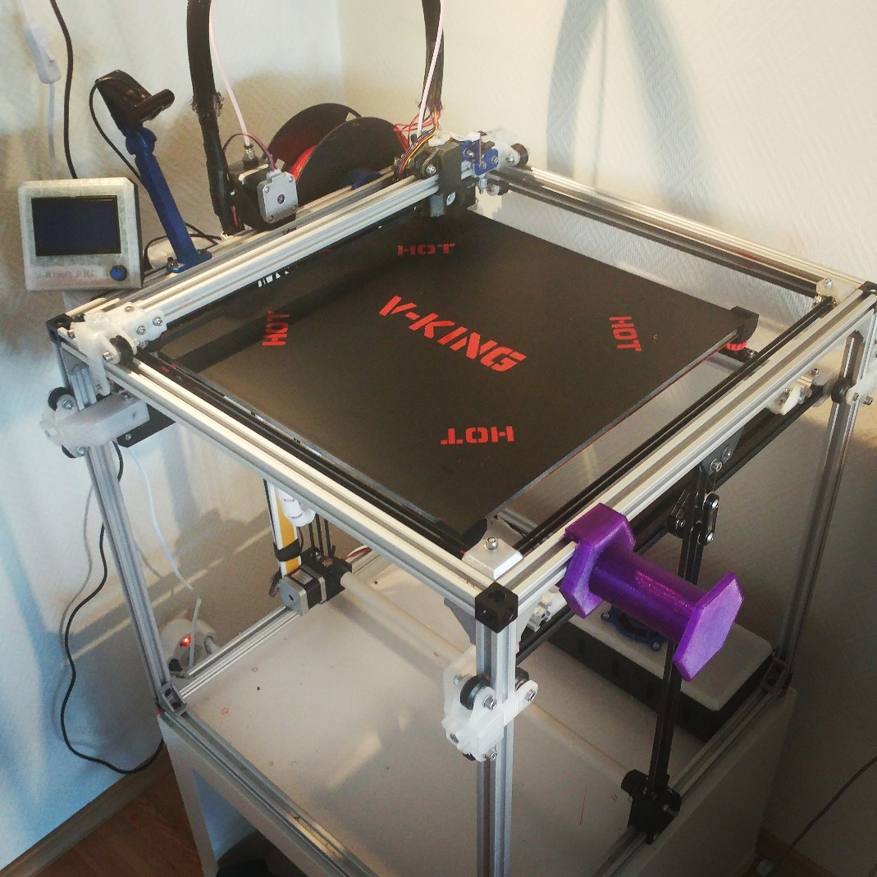
V-Slots and Wheels Standard Price: | EUR 213
Components Example Price: | #REF!
Fastners Estimated Retail Price: | EUR 75
Cables and Connectors Estimated Price | EUR 50
Tools - Add your number | EUR -

Sub Total Example Price | #REF!

If you like to support - Buy me a coffe here:
https://www.buymeacoffee.com/pro3d
Research - Development & Design by:
Roy Berntsen

Complete Part List
If you like to support - Buy me a coffe here:
https://www.buymeacoffee.com/pro3d
Komplete Mechanichal Kit | Fasteners included |  |  | Kit Price
MakerSupplies Mechanical Kit | <<-- ALL HARDWARE KIT HERE |  |  | USD 348.0
Frame & Wheel Parts | Description | Quantity | Unit Price | Bulk Price
2020 V-Slot 500 | OpenBuild V-Slot 500mm | 16 | USD 4.0 | USD 64.0
2020 V-Slot 480 | OpenBuild V-Slot 480mm | 1 | USD 4.0 | USD 4.0
Research, Development & Design by: Roy Berntsen M.Sc. Engineering Designer
Custom Cut V-Slot | Cut one 500 to 480 | 1 | USD 1.0 | USD 1.0
3 Way V-Slot Corner | 3 Way Corner Bracket | 8 | USD 4.0 | USD 32.0
2028 Corner Bracket | Frame Corner Joint Brackets | 20 |  | USD 7.0
Solid V-Wheel Kit | OpenBuild V-Slot Big Wheels | 21 | USD 5.0 | USD 105.0
Estimated Frame & Wheels Price | Fasteners bought seperate |  |  | USD 213.0
Component Part Name | Description | Quantity | Shop Link | Price | Optional Component | Price2
Belt GT2 Idler Smooth | GT2 20T Smooth Idler | 6 | 6Pcs 7mm Without T | $22.00
Belt GT2 Idler Thoothed | GT2 20T Thoothed Idler | 8 | 8Pcs 7mm With T | $25.00
Belt GT2 Stepper Motor Pulley | GT2 20T 6W 5mm Bore | 4 | 4 x 5 BORE | $13.00
Belt GT2 Timing Belt 6mm | 10M 2GT Timing Belt 6W | 10 | 10M-6MM-2GT | $30.00
Belt Idler Precision Shim | 6,5mm OD/ 5mm ID Shim | 80 | (4x20) 6,5x5x1 Option Shim | $20.00 | 200 pcs is same price
Bowden Tube | 1.9ID 4OD Filament Tube | 1 | ID 1.9 OD 4 | $2.50
Cable Loom Tube | Sleeve for cables to hotend | 1 | 20mmx1m Cable Loom | $2.50
Cable Nylon Sleeve | Sleeve for Heatbed cables | 1 | 5meter, 10mm Sleeve | $3.00
Controller Board | Duet WIFI Clone w/TMC2660 | 1 | BTT DUET WIFI Clone | $60.00 | LCD TFT24 KIT | $15.00 | Bundle
Controller Board Option -> | -> |  | -->> |  | SKR 1.3 + TMC2209x5 | $45.00
Endstop Optical | XY(Z) Endstops | 3 | 6Pcs Endstops | $4.00
Extruder | Titan Filament Extruder | 1 | TriangleLab | $20.00 | Titan Original | $65.00
Fan for Controller Cooling | 4010 Axial Fan 12/24V | 1 | 24V Controller Fan | $3.00
Fan for Hotend Cooling | 4010 Blower Fan 12/24V | 1 | 24V 40x10 Blower | $2.00
Fan for Layer Cooling | 3010 Blower Fan 5/12 24V | 2 | 24V 30x30x10 | $10.00
Heatbed Build Plate | Milled Cast Aluminum | 1 | 360x410x8 mm | $30.00 | Rolled Aluminum 5mm | $16.00
Heatbed Silicon Heater | 350*400 110V/220V Heater | 1 | 220V/110V | $16.00
NEMA 17 1.8 A Stepper Motor | Stepper motor 1.5 Amp | 1x5 | 5Pack & Cable | $30.00
Power Switch | 10A 250VAC Fused Switch | 1 | 10A Fused Switch | $8.50
Powersupply | 24V 240W PSU | 1 | 24V 10A 240W | $20.00
Safety Fuse | Thermal Safety Fuse for SSR | 1 | 135 Deg Fuse | $2.00
Solid State Relay | Silicone Heater Relay Switch | 1 | SSR 40DA | $3.50
V6 Hotend | E3d V6 Type Hotend | 1 | 1,75 24V All Metal V6 | $17.00
Worm Gear | 1:20 Worm Gear Set | 1 | Worm Gear | $16.00 | High End Gear | $52.00
Worm Gear Bearings | 5id-16od-5w Ball bearings | 10 | Worm Gear Bearings | $4.00
Worm Gear Rod | 5mm X 555 mm Steel rod | 1 | Worm Gear Rod | $20.00
Z Leveling Probe | 3D Touch Leveling Probe | 1 | 3D Touch | $12.00
Component Total Price |  |  |  | $396.00

Fasteners List
 | List of Fasteners to buy at any hardware supplier
If you like to support - Buy me a coffe here:
https://www.buymeacoffee.com/pro3d

 | Research, Development & Design by
 | Roy Berntsen
Fasteners | Type | Order Quantity | Est. Unit Price | Est. Bulk Price
M3 NUT | Hex Nut - M3 | 25 | 0.1 | 2.5
M3 WASHER | Washer Simple M3 | 25 | 0.1 | 2.5
M3x10 | DIN 912 | 25 | 0.1 | 2.5
M3X25 | DIN 912 | 10 | 0.1 | 1
M3x8 | DIN 912 | 25 | 0.1 | 2.5
M4 Hex NUT | Hex Nut - M4 | 10 | 0.1 | 1
M4 Hex Nut lock | Hex Locking Nut - M4 | 10 | 0.1 | 1
M4 WASHER | Washer Simple M4 | 10 | 0.1 | 1
M4x16 | DIN 912 | 10 | 0.1 | 1
M4x20 | DIN 912 | 10 | 0.1 | 1
M5 GT2 Idler Shim | Precision Shim for GT2 idlers/pulleys | 25 | 0.1 | 2.5
M5 Hex Nut | Standard Nut M5 | 20 | 0.1 | 2
M5 Hex Nut lock | Hex Locking Nut - m5 | 40 | 0.1 | 4
M5 T-Nut Hammer | Drop In type Hammer Nut | 50 | 0.1 | 5
M5 T-Nut Square | T-Nut Sqare M5 | 100 | 0.1 | 10
M5 WASHER | Washer Simple M5 | 150 | 0.1 | 15
M5x10 | DIN 912 | 100 | 0.1 | 10
M5x14 | DIN 912 | 10 | 0.1 | 1
M5x20 Hex | Hex Head | 20 | 0.1 | 2
M5X25 | DIN 912 | 10 | 0.1 | 1
M5x30 | DIN 912 | 20 | 0.1 | 2
M5x35 | DIN 912 | 10 | 0.1 | 1
M5x35 HEX | Hex Head | 10 | 0.1 | 1
M5x8 Countersink | DIN 7991 | 25 | 0.1 | 2.5
Estimated fastener price in total: |  |  |  | 75

Cables | Type | Order Quantity | Est. Unit Price | Est. Bulk Price

